Diets
Diet | Wtloss
A | 3.709 |  |  |  |  |  | Class | Relative
A | 7.087 | Diet A | n | 50 | UCB | Frequency | Mark | Frequency
A | 6.754 |  | Mean | 5.341 | 0 | 1 | -1 | 0.02
A | 8.994 |  | SD | 2.536 | 2 | 3 | 1 | 0.06
A | 9.077 |  |  |  | 4 | 10 | 3 | 0.20
A | 6.413 |  | Min | -1.715 | 6 | 15 | 5 | 0.30
A | 5.877 |  | Max | 10.062 | 8 | 15 | 7 | 0.30
A | 2.572 |  | Range | 11.777 | 10 | 5 | 9 | 0.10
A | 7.520 |  |  |  | 12 | 1 | 11 | 0.02
A | 6.881 |  |  |  | Total | 50 | Total | 1
A | 7.265
Diet A
A | 3.477
A | 3.755
A | 8.760
A | 7.032
A | 9.052
A | 10.062
A | 4.840
A | 6.449
A | 9.019
A | -1.715
A | 4.718
A | 4.007
A | 7.241
A | 2.128
A | 6.968
A | 4.853
A | 0.055
A | 2.680
A | 3.746
A | 7.033
A | 5.033
A | 5.569
A | 6.712
A | 3.663
A | 2.741
A | 6.256
A | 5.349 |  |  |  |  |  | Class | Relative
A | 7.300 | Diet B | n | 50.00 | UCB | Frequency | Mark | Frequency
A | 5.445 |  | Mean | 3.71 | -4 | 1 | -5 | 0.02
A | 4.970 |  | SD | 2.77 | -2 | 0 | -3 | 0.00
A | 3.613 |  |  |  | 0 | 2 | -1 | 0.04
A | 7.568 |  | Min | -4.148 | 2 | 10 | 1 | 0.20
A | 5.861 |  | Max | 10.539 | 4 | 15 | 3 | 0.30
A | 4.157 |  | Range | 14.687 | 6 | 11 | 5 | 0.22
A | 0.203 |  |  |  | 8 | 8 | 7 | 0.16
A | 4.441 |  |  |  | 10 | 2 | 9 | 0.04
A | 5.875 |  |  |  | 12 | 1 | 11 | 0.02
A | 5.715 |  |  |  | Total | 50 | Total | 1
Diet B
A | 0.280
B | -1.087 |  |  |  |  |  |  |  | Descriptive Statistics
B | 1.819
B | 0.074 |  |  |  |  |  |  |  | Mean | 3.70996
B | 1.755 |  |  |  |  |  |  |  | Standard Error | 0.39160167493
B | 1.889 |  |  |  |  |  |  |  | Median | 3.745
B | 3.089 |  |  |  |  |  |  |  | Mode | #N/A
B | 4.008 |  |  |  |  |  |  |  | Standard Deviation | 2.7690419986
B | 4.551 |  |  |  |  |  |  |  | Sample Variance | 7.6675935902
B | 1.372 |  |  |  |  |  |  |  | Kurtosis | 0.65263837771
B | 3.413 |  |  |  |  |  |  |  | Skewness | -0.20357596413
B | -4.148 |  |  |  |  |  |  |  | Range | 14.687
B | 2.823 |  |  |  |  |  |  |  | Minimum | -4.148
B | 2.865 |  |  |  |  |  |  |  | Maximum | 10.539
B | 4.369 |  |  |  |  |  |  |  | Sum | 185.498
B | 6.337 |  |  |  |  |  |  |  | Count | 50
B | 6.308
B | 3.494
B | 10.539
B | 3.840
B | 5.123
B | 5.485
B | -1.894
B | 8.016
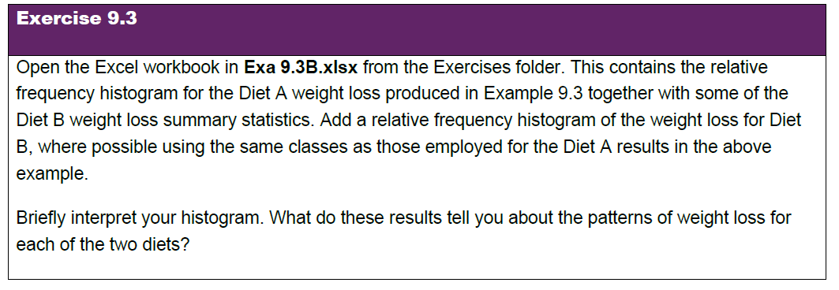
B | 2.310
B | 3.882 | Interpretation
B | 7.030 | The highest weight loss frequencey is lower in terms of kilograms lost for Diet B than Diet A.
B | 7.727 | The histogram appears unimodal. |  |  |  |  |  |  |  |  | Means Exe 9.3B, not Exa.
B | 0.105 | The histogram has what appears to be a low outlier in the (-6, -4] class interval.
B | 3.650 | If that is considered an outlier (as otherwise the range of (-2,0] to (10,12] matches, then the histogram is right-skewed.
B | 4.547 | If it is right skewed then the median is likely to be left of the mean.
B | 4.985 | However, with the outlier left in, the skewness is negative: -0.2, which makes this left-skewed.
B | 5.159 | Left skewed places the mean left of the median.
B | 4.760 | As we can see from the descriptive statisics Mean is 3.71 and Median is 3.75.
B | 4.934 | The Box and Whisker confirms the value in (-6, -4] is an outlier, so without the outlier, this is right-skewed.
B | 3.106
B | 5.598
B | 2.162
B | 6.520
B | 7.046
B | 1.757
B | 1.848
B | 1.096
B | 2.145
B | 8.435
B | 6.099
B | 3.972
B | 2.409
B | 0.569
B | 7.013
B | 2.594

